Introduction
Scalable Risk Assessment Methods for Pedestrians and Bicyclists
The FHWA Office of Safety initiated the Scalable Risk Assessment project to develop approaches to estimate pedestrian and bicyclist risk, as well as the associated exposure to risk, at several different geographic scales. The Texas A&M Transportation Institute (TTI) project team has developed an eight-step Scalable Risk Assessment process (see diagram on the right) to select an appropriate geographic scale, risk definition, exposure measure, and analytic method (i.e., site counts, demand models, or travel survey).
The Areawide Non-Motorized Exposure Tool provided here makes it easy for practitioners to obtain and summarize nationwide travel survey data to estimate pedestrian and bicyclist exposure to risk at Statewide and MPO Area scales, while providing functions for the user to supply local data when available.
Statewide Non-Motorized Exposure - All Trips
The Statewide Exposure Estimates tab provides a simplified method to obtain statewide pedestrian and bicyclist exposure estimates for each year between 2013 and 2017. Three statewide exposure measures are reported separately for pedestrian and bicyclist trips:
● Total estimated annual trips
● Total estimated annual miles traveled ● Total estimated annual hours traveled
The statewide exposure estimates are based on a combination of the U.S. Census Bureau's American Community Survey (ACS) and FHWA's 2017 National Household Travel Survey (NHTS). The ACS records primary commute trips only on an annual basis, whereas NHTS records all trips about once a decade. The 2017 NHTS data reflect 2016 travel behavaior and is statistically representative at the census division level where each division is made up of a group of several states. NHTS data from each census division were used for developing the 2016 average daily person trip rates, trip duration (hours) and trip length (miles) by mode. Therefore, the NHTS total annual person trips per mode for each state are calculated based on its respective census division average daily person trip rate multiplied by the 2016 ACS 1-year population estimate and annualized. The total trips are adjusted to account for change in the number of commute trips per mode over time. The NHTS average trip lengths and average trip durations for each census division are then applied to their respective states' total trips to estimate the number of miles and hours traveled annually per mode for each state.
Metropolitan Planning Organization (MPO) Non-Motorized Exposure - All Trips
The MPO Area Exposure Estimates tab provides exposure estimates at a more detailed geographic scale. The 2017 NHTS survey data for core-base statitstical areas (CBSA) were grouped into five peer groups for developing the 2016 average daily person trip rates, trip duration (hours) and trip length (miles) by mode. Each MPO is assigned a CBSA peer group based on their bicycle and walk commute percentages. The MPO population (based on areal interpolation of tract-level ACS census data) is applied to the average daily person trip rate from the MPO's CBSA peer group and annualized to estimate the annual person trips by mode. Similar to the statewide estimates, MPO-level commuter travel estimates (based on areal interpolation of tract-level ACS census data as well) are used to account for the change in the number of commute trips per mode over time. The average trip length and trip duration from the assigned NHTS CBSA peer group are then applied to the total trips to estimate the number of miles and hours traveled annually per mode for the MPO.
Fatalities
Fatality data included in both tabs were taken from : National Highway Traffic Safety Administration Fatality Analysis Reporting System (FARS),
https://www.nhtsa.gov/research-data/fatality-analysis-reporting-system-fars
Acknowledgments
The development of this exposure estimation tool was funded by the FHWA Office of Safety through the Scalable Risk Assessment project, managed by Tamara Redmon, Tamara.Redmon@dot.gov. Gabe Rousseau of FHWA provided key input. The tool was created by the TTI project team, which includes the University of Michigan and Kimley-Horn. L.D. White, Michael Martin, and Subasish Das at TTI developed this version of the Areawide Non-Motorized Exposure Tool, and Kay Fitzpatrick of TTI provided key input and review. Questions about this tool can be sent to the TTI Project Manager, Shawn Turner, s-turner@tti.tamu.edu.
Last updated: December 23, 2019
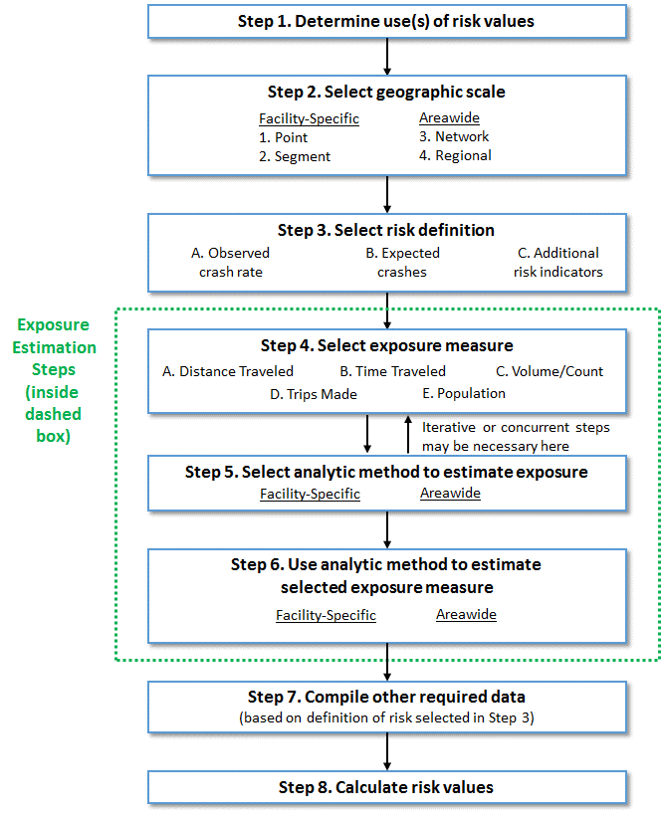

Statewide Exposure Estimates
1
2
Statewide Area Exposure Estimates
 |  |  |  |  | 1. Select State of interest
State: | California |  |  |  | 2. Select the source (Default or User Input) of the required inputs. For the User Input option, values are required in the cell below.

2
 |  | Walking
 |  | 2013 | 2014 | 2015 | 2016 | 2017
Person Trip Rate | Source: | Default | Default | Default | Default | Default
 | Default Value: | 0.40250 | 0.40250 | 0.40250 | 0.40250 | 0.40250
 | User Input Value:
2
Population Estimate | Source: | Default | Default | Default | Default | Default
 | Default Value: | 38,332,521 | 38,802,500 | 39,144,818 | 39,250,017 | 39,536,653
 | User Input Value:
2
Commuter Population Adjustment Factor | Source: | Default | Default | Default | Default | Default
 | Default Value: | 0.95028 | 0.97123 | 0.98481 | 1.00000 | 0.98284
 | User Input Value:
Estimated Annual Pedestrian Trips |  | 5,351,536,821 | 5,536,525,366 | 5,663,505,514 | 5,766,302,992 | 5,708,763,932
2
Average Trip Length (Miles) | Source: | Default | Default | Default | Default | Default
 | Default Value: | 0.95907 | 0.95907 | 0.95907 | 0.95907 | 0.95907
 | User Input Value:
Estimated Annual Pedestrian Miles of Travel |  | 5,132,498,376 | 5,309,915,339 | 5,431,698,188 | 5,530,288,165 | 5,475,104,179
2
Average Trip Duration (Minutes) | Source: | Default | Default | Default | Default | Default
 | Default Value: | 16.69683 | 16.69683 | 16.69683 | 16.69683 | 16.69683
 | User Input Value:
Estimated Annual Pedestrian Hours of Travel |  | 1,489,228,594 | 1,540,707,307 | 1,576,043,412 | 1,604,649,951 | 1,588,637,950
Fatalities |  | 734 | 709 | 819 | 933 | 940
Fatalities/Million Hours of Travel |  | 0.493 | 0.460 | 0.520 | 0.581 | 0.592

2
 |  | Bicycling
 |  | 2013 | 2014 | 2015 | 2016 | 2017
Person Trip Rate | Source: | Default | Default | Default | Default | Default
 | Default Value: | 0.04491 | 0.04491 | 0.04491 | 0.04491 | 0.04491
 | User Input Value:
2
Population Estimate | Source: | Default | Default | Default | Default | Default
 | Default Value: | 38,332,521 | 38,802,500 | 39,144,818 | 39,250,017 | 39,536,653
 | User Input Value:
2
Commuter Population Adjustment Factor | Source: | Default | Default | Default | Default | Default
 | Default Value: | 1.02786 | 1.08244 | 1.04175 | 1.00000 | 0.89949
 | User Input Value:
Estimated Annual Bicyclist Trips |  | 645,821,812 | 688,452,186 | 668,420,074 | 643,353,935 | 582,914,178
2
Average Trip Length (Miles) | Source: | Default | Default | Default | Default | Default
 | Default Value: | 2.25805 | 2.25805 | 2.25805 | 2.25805 | 2.25805
 | User Input Value:
Estimated Annual Bicyclist Miles of Travel |  | 1,458,296,060 | 1,554,557,450 | 1,509,323,999 | 1,452,723,477 | 1,316,247,659
2
Average Trip Duration (Minutes) | Source: | Default | Default | Default | Default | Default
 | Default Value: | 21.39255 | 21.39255 | 21.39255 | 21.39255 | 21.39255
 | User Input Value:
Estimated Annual Bicyclist Hours of Travel |  | 230,262,901 | 245,462,440 | 238,320,141 | 229,382,998 | 207,833,658
Fatalities |  | 147 | 129 | 136 | 154 | 145
Fatalities/Million Hours of Travel |  | 0.638 | 0.526 | 0.571 | 0.671 | 0.698

 |  | Non-Motorized
 |  | 2013 | 2014 | 2015 | 2016 | 2017
Estimated Annual Non-Motorized Trips |  | 5,997,358,633 | 6,224,977,552 | 6,331,925,588 | 6,409,656,927 | 6,291,678,110
Estimated Annual Non-Motorized Miles of Travel |  | 6,590,794,436 | 6,864,472,789 | 6,941,022,187 | 6,983,011,642 | 6,791,351,838
Estimated Annual Non-Motorized Hours of Travel |  | 1,719,491,495 | 1,786,169,747 | 1,814,363,553 | 1,834,032,949 | 1,796,471,608
Non-Motorized Fatalities |  | 881 | 838 | 955 | 1087 | 1085
Non-Motorized Fatalities/Million Hours of Travel |  | 0.512 | 0.469 | 0.526 | 0.593 | 0.604

Annual Non-Motorized
Annual Walking
Annual Bicycling

Annual Fatalities
Annual Risk - Fatalities/Million Hours of Travel

Annual Trips
Annual Miles of Travel
Annual Hours of Travel

MPO Area Exposure Estimates
MPO Area Exposure Estimates

1
2
3
State: | District of Columbia |  |  |  | 1. Select State of interest
MPO: | National Capital Region Transportation Planning Board |  |  |  | 2. Select MPO of interest
 |  |  |  |  | 3. Select the source (Default or User Input) of the required inputs. For the User Input option, values are required in the cell below.

3
 |  | Walking
 |  | 2013 | 2014 | 2015 | 2016 | 2017
Person Trip Rate | Source: | Default | Default | Default | Default | Default
 | Default Value: | 0.66637 | 0.66637 | 0.66637 | 0.66637 | 0.66637
 | User Input Value:
3
MPO Population Estimate | Source: | Default | Default | Default | Default | Default
 | Default Value: | 5,162,318 | 5,258,648 | 5,337,275 | 5,393,119 | 5,467,029
 | User Input Value:
3
Commute Population Adjustment Factor | Source: | Default | Default | Default | Default | Default
 | Default Value: | 0.93419 | 0.94212 | 0.97668 | 1.00000 | 1.01646
 | User Input Value:
Estimated Annual Pedestrian Trips |  | 1,172,979,228 | 1,205,007,462 | 1,267,895,105 | 1,311,747,982 | 1,351,617,690
3
Average Trip Length (Miles) | Source: | Default | Default | Default | Default | Default
 | Default Value: | 1.09954 | 1.09954 | 1.09954 | 1.09954 | 1.09954
 | User Input Value:
Estimated Annual Pedestrian Miles of Travel |  | 1,289,741,861 | 1,324,958,302 | 1,394,106,011 | 1,442,324,163 | 1,486,162,648
3
Average Trip Duration (Minutes) | Source: | Default | Default | Default | Default | Default
 | Default Value: | 14.69152 | 14.69152 | 14.69152 | 14.69152 | 14.69152
 | User Input Value:
Estimated Annual Pedestrian Hours of Travel |  | 287,214,051 | 295,056,439 | 310,455,019 | 321,192,773 | 330,955,214
Fatalities |  | 58 | 71 | 67 | 69 | 74
Fatalities/Million Hours of Travel |  | 0.202 | 0.241 | 0.216 | 0.215 | 0.224

3
 |  | Bicycling
 |  | 2013 | 2014 | 2015 | 2016 | 2017
Person Trip Rate | Source: | Default | Default | Default | Default | Default
 | Default Value: | 0.06451 | 0.06451 | 0.06451 | 0.06451 | 0.06451
 | User Input Value:
3
MPO Population Estimate | Source: | Default | Default | Default | Default | Default
 | Default Value: | 5,162,318 | 5,258,648 | 5,337,275 | 5,393,119 | 5,467,029
 | User Input Value:
3
Population Adjustment Factor | Source: | Default | Default | Default | Default | Default
 | Default Value: | 0.78653 | 0.85779 | 0.92924 | 1.00000 | 1.07626
 | User Input Value:
Estimated Annual Bicyclist Trips |  | 95,606,609 | 106,214,167 | 116,781,139 | 126,989,165 | 138,546,936
3
Average Trip Length (Miles) | Source: | Default | Default | Default | Default | Default
 | Default Value: | 2.69004 | 2.69004 | 2.69004 | 2.69004 | 2.69004
 | User Input Value:
Estimated Annual Bicyclist Miles of Travel |  | 257,185,719 | 285,720,489 | 314,146,078 | 341,606,090 | 372,696,969
3
Average Trip Duration (Minutes) | Source: | Default | Default | Default | Default | Default
 | Default Value: | 23.38978 | 23.38978 | 23.38978 | 23.38978 | 23.38978
 | User Input Value:
Estimated Annual Bicyclist Hours of Travel |  | 37,270,290 | 41,405,430 | 45,524,749 | 49,504,140 | 54,009,702
Fatalities |  | 5 | 3 | 6 | 10 | 5
Fatalities/Million Hours of Travel |  | 0.134 | 0.072 | 0.132 | 0.202 | 0.093

 |  | Non-Motorized
 |  | 2013 | 2014 | 2015 | 2016 | 2017
Estimated Annual Non-Motorized Trips |  | 1,268,585,837 | 1,311,221,629 | 1,384,676,244 | 1,438,737,147 | 1,490,164,626
Estimated Annual Non-Motorized Miles of Travel |  | 1,546,927,580 | 1,610,678,792 | 1,708,252,089 | 1,783,930,253 | 1,858,859,617
Estimated Annual Non-Motorized Hours of Travel |  | 324,484,340 | 336,461,870 | 355,979,768 | 370,696,914 | 384,964,916
Non-Motorized Fatalities |  | 63 | 74 | 73 | 79 | 79
Non-Motorized Fatalities/Million Hours of Travel |  | 0.194 | 0.220 | 0.205 | 0.213 | 0.205

Annual Non-Motorized
Annual Walking
Annual Bicycling

Annual Fatalities
Annual Risk - Fatalities/Million Hours of Travel

Annual Trips
Annual Miles of Travel
Annual Hours of Travel

